Tabellenblatt1
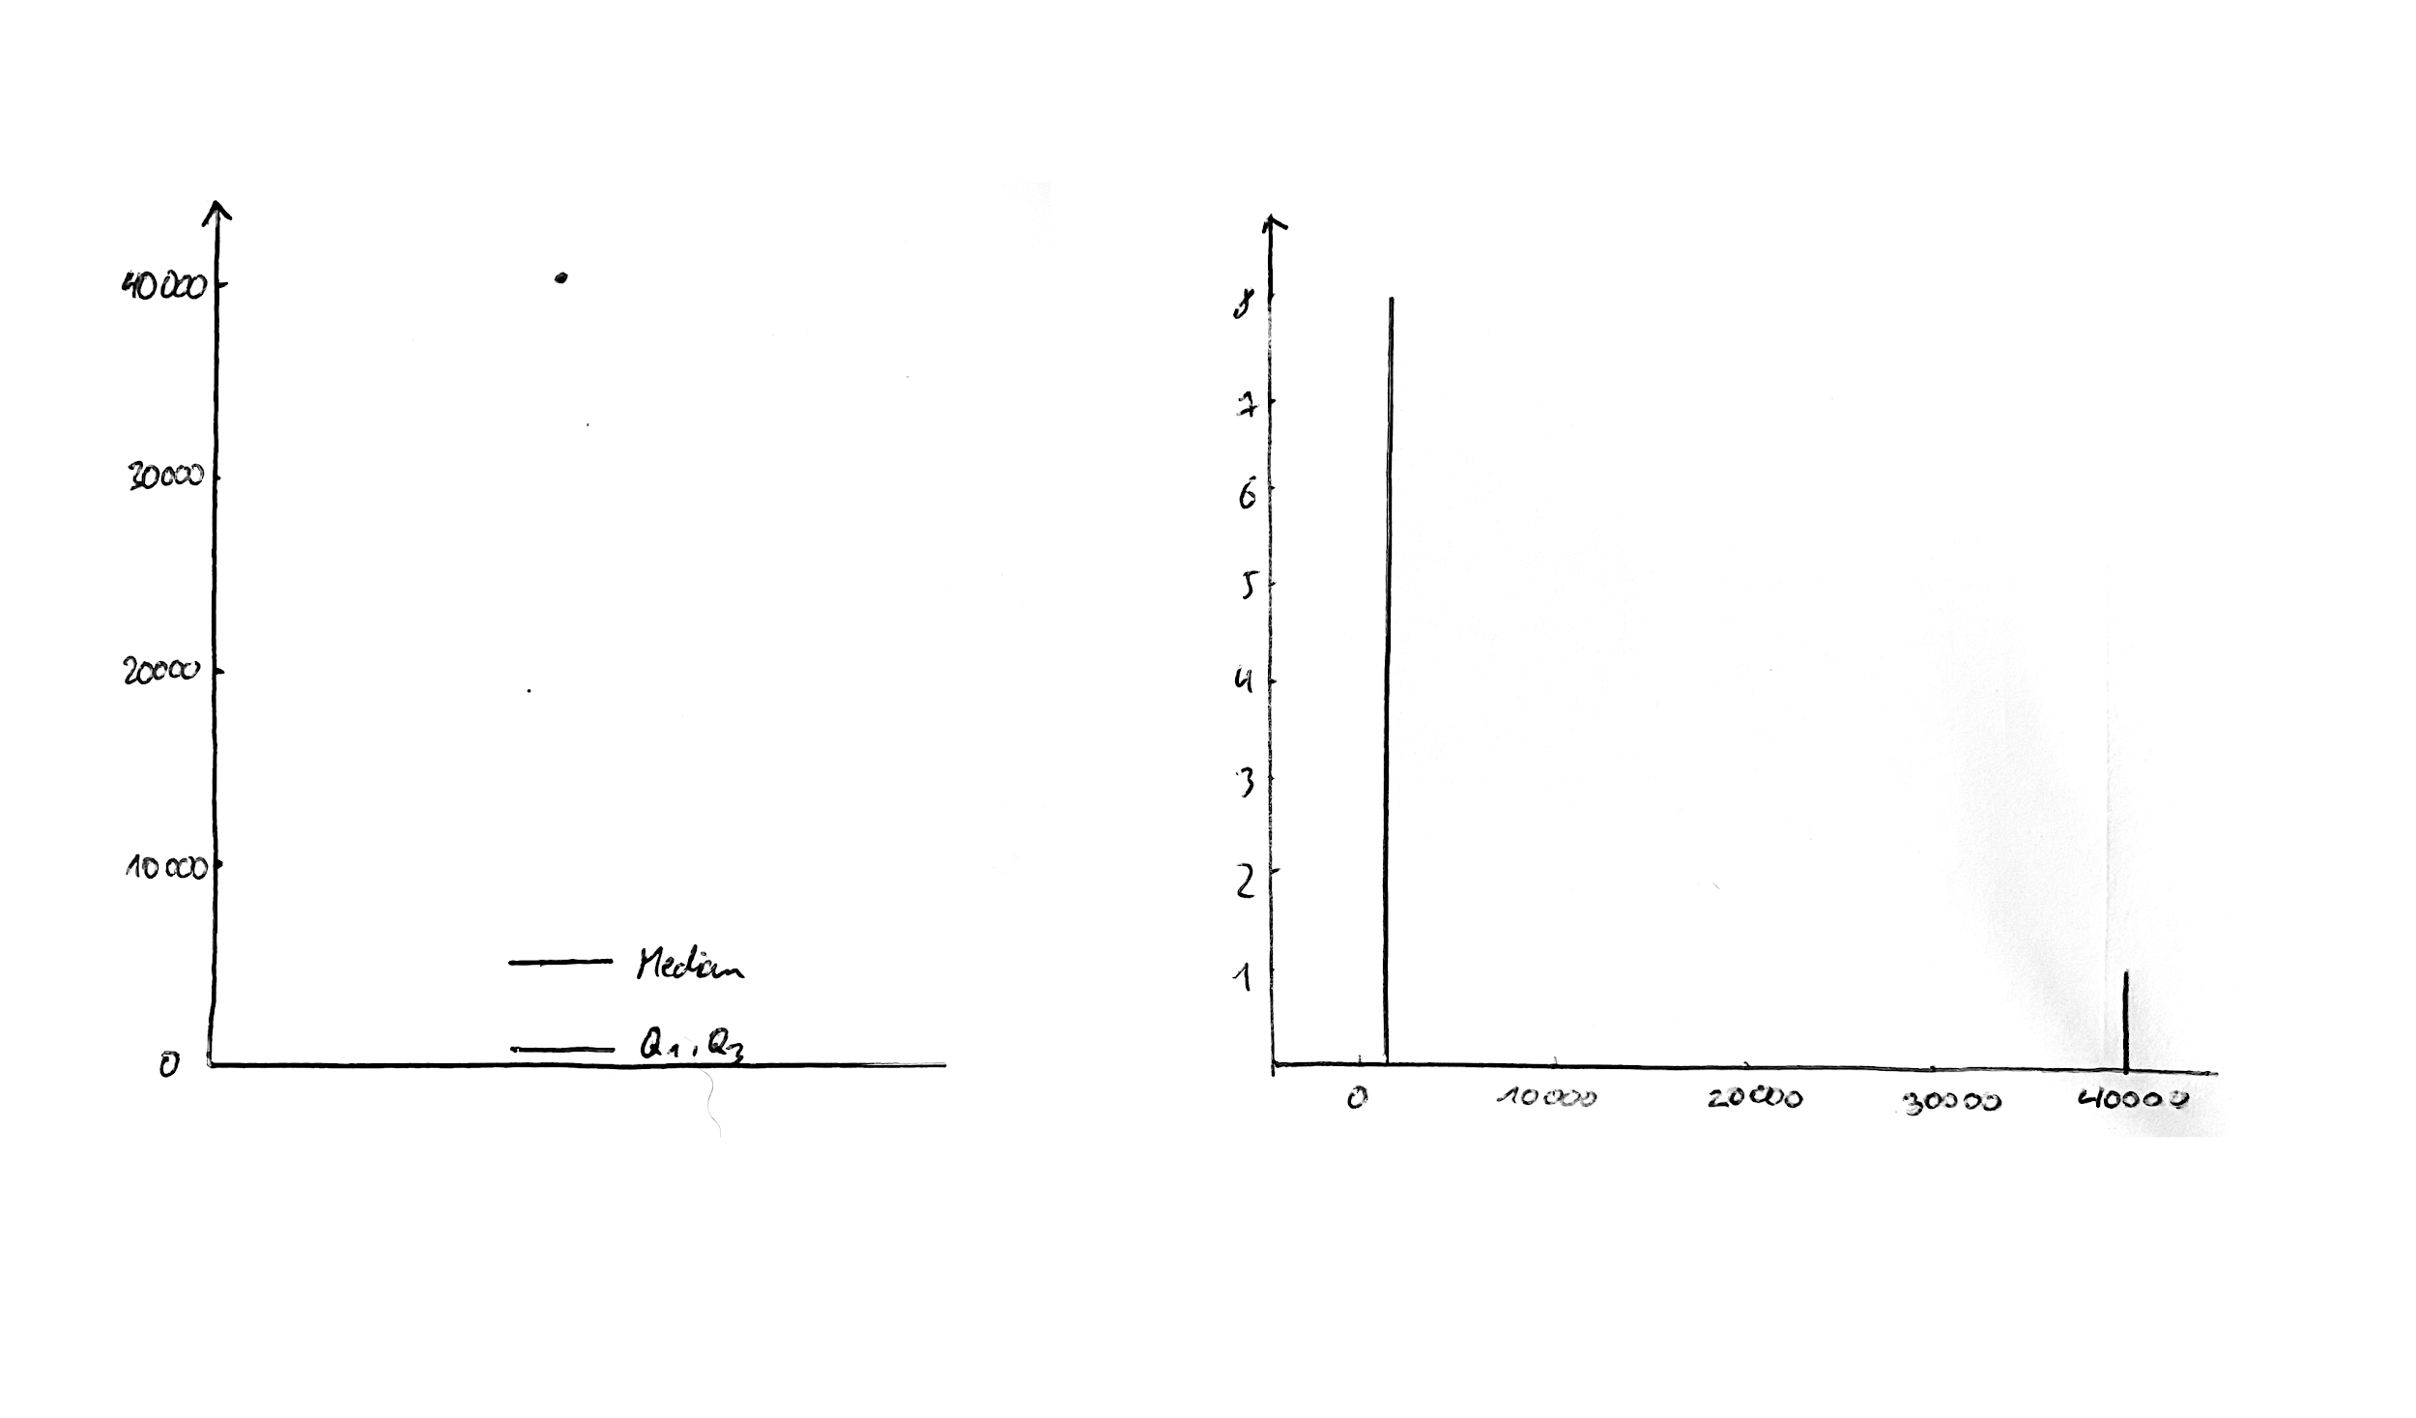
Data3
1200
1200
1200
1200
1200
1200
1200
1200
40000 |  | 3

Mean | Median(50%) | Mode | Midrange | N | Median Interval | L1 | N/2 | ∑(freq)_l | freq_median | width | Approximated Median | Ava
5511.1111111 | 1200 | 1200 | 20600 | 9 | [1200, 1200, 1200, 1200, 1200, 1200, 1200, 1200] | 1200 | 4.5 | 0 | 8 | 0 | 1200+((4,5-0)/8)*0 = 1200

Min | Max | Range |  |  |  |  |  |  |  |  |  | Julian
1200 | 40000 | 38800

 | Q1(25%) 2.25 | Q3(75%) 6.75 | IQR | 1,5 * IQR | Standard Deviation |  |  |  |  |  |  | Moez
 | 1200 | 1200 | 0 | 0 | σ^2 = 1/9 * (1200^2 + 1200^2 + 1200^2 + 1200^2 + 1200^2 + 1200^2 + 1200^2 + 1200^2 + 40000^2) - 5.511,1111111111^2 = 148.685.432,09876555
 |  |  |  |  | σ = sqrt(148.685.432,09876555) = 12.193,6636044614

 |  | BOXPLOT |  |  |  |  | HISTOGRAM |  |  |  |  | Simon

